Motor Options
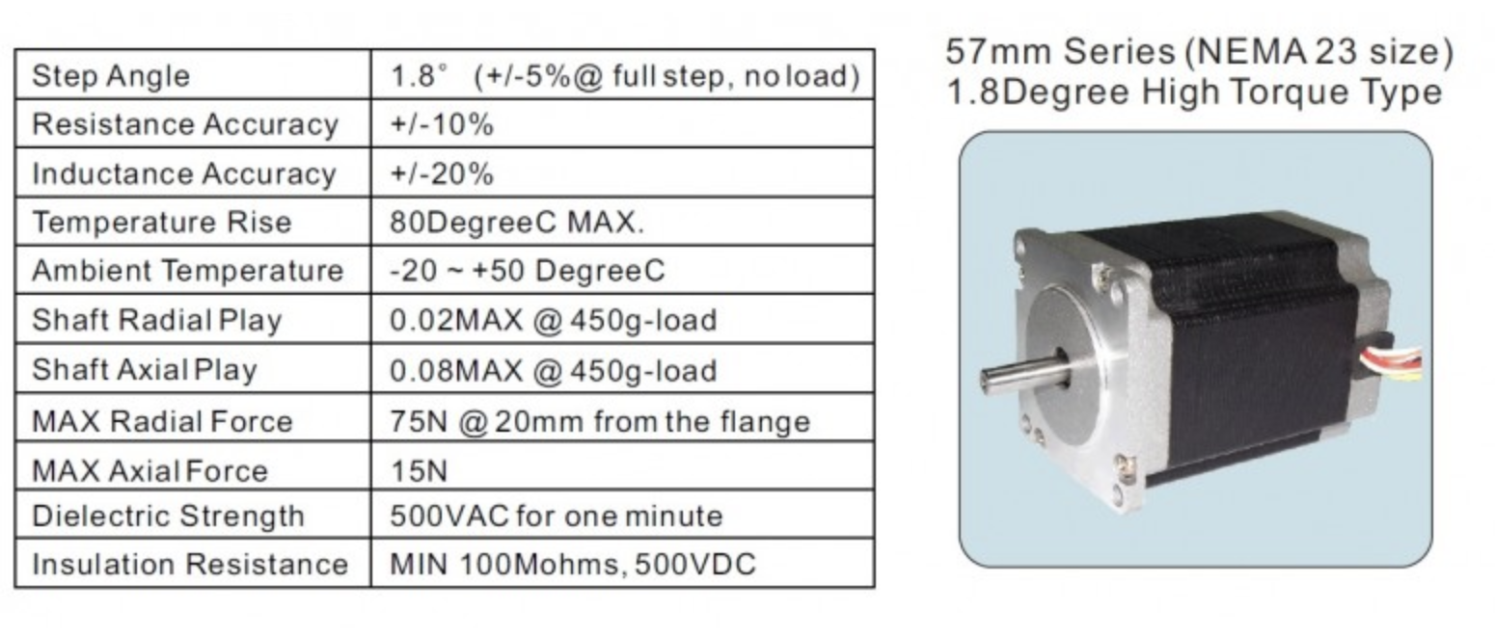
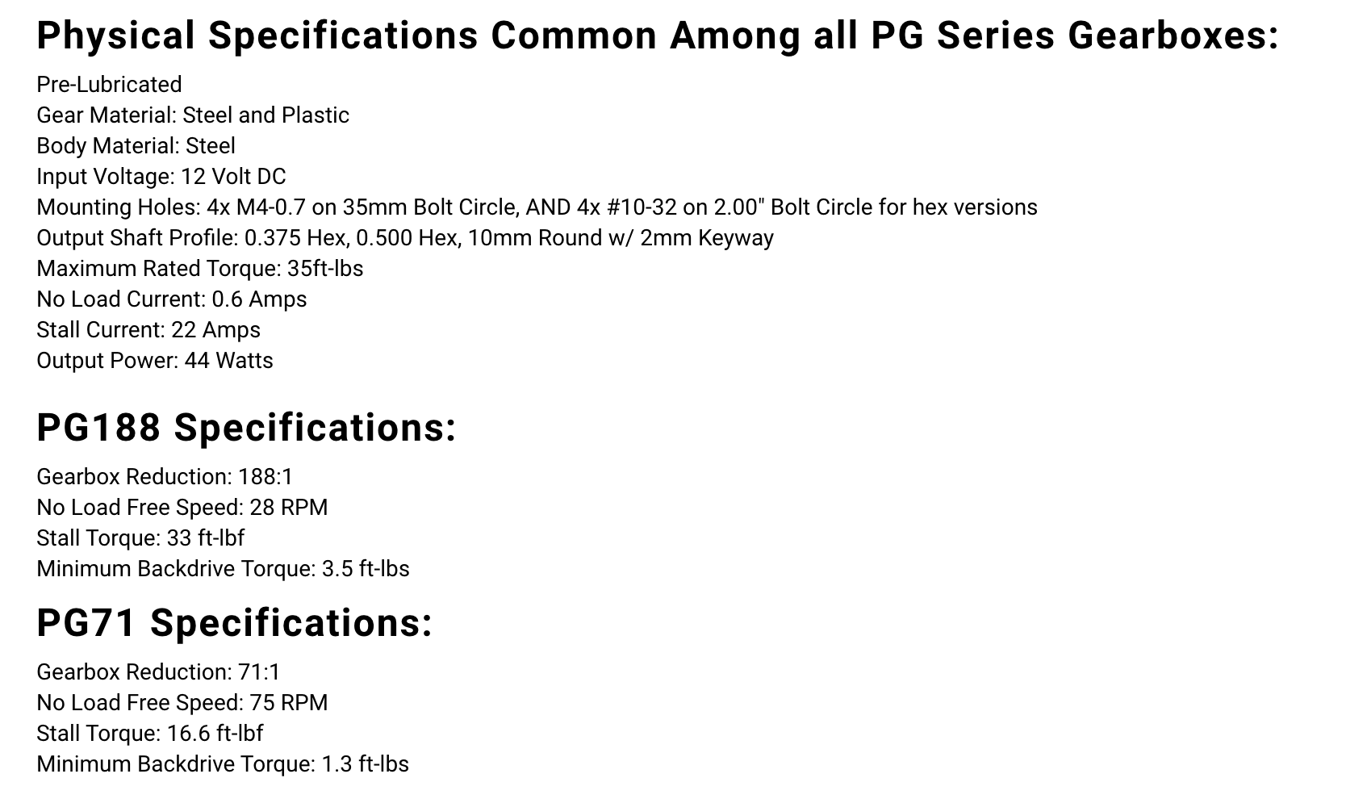

 | Enter numbers in BLACK, equivelants are calculated in RED, and then these values are transferred to the "System Analysis" spreadsheet

Motor number referenced on "System Analysis" sheet
1 | AndyMark PG71 gearmotor. https://www.andymark.com/products/hex-pg-series-gearboxes-options
 | Stall torque | Tstall | 16.6 | lb-ft | 22.52 | N-m
 | Free speed | wfree | 75 | rpm | 1.31 | rad/sec
 | estimated allowable side load on shaft | ? No spec found, so estimate | 20 | lb | 89 | N
 | est peak power (1/2 stall torque X 1/2 free speed) |  |  |  | 7.4 | W
2 | "Windsheild wiper motor" e.g., http://schmittongaromarine.com/site/1922schm/Technical_Specifications_for_Heavy_Duty_Wiper_Motors_309,319,_and_329_series.pdf. https://www.oslv.com/Products/Gearmotor-for-windshield-wipers-MRT62-43/98-25-1-en.html
 | Stall torque | Tstall | 11.5 | lb-ft | 15.60 | N-m
 | Free speed | wfree | 59 | rpm | 1.03 | rad/sec
 | estimated allowable side load on shaft | ? No spec found, so estimate | 20 | lb | 89 | N
 | est peak power (1/2 stall torque X 1/2 free speed) |  |  |  | 4.0 | W
3 | Enter motor info
 | Stall torque | Tstall | 7.4 | lb-ft | 10.00 | N-m
 | Free speed | wfree | 59 | rpm | 1.03 | rad/sec
 | estimated allowable side load on shaft | ? No spec found, so estimate | 22.471910112 | lb | 100 | N
 | est peak power (1/2 stall torque X 1/2 free speed) |  |  |  | 2.6 | W
23 | Nema 23 Stepper motor
 | Stall torque | Tstall | 255 | oz-in | 2 | N-mm
 | Free speed | wfree | 900 | rpm | 15.71 | rad/sec
 | estimated allowable side load on shaft |  | 17 | lb | 75 | N
 | est peak power (1/2 stall torque X 1/2 free speed) |  |  |  | 7.1 | W
34 | Nema 34 Stepper motor
 | Stall torque | Tstall | 595 | oz-in | 4.2 | N-m
 | Free speed | wfree | 720 | rpm | 12.57 | rad/sec
 | estimated allowable side load on shaft |  | 49 | lb | 220 | N
 | est peak power (1/2 stall torque X 1/2 free speed) |  |  |  | 13.2 | W

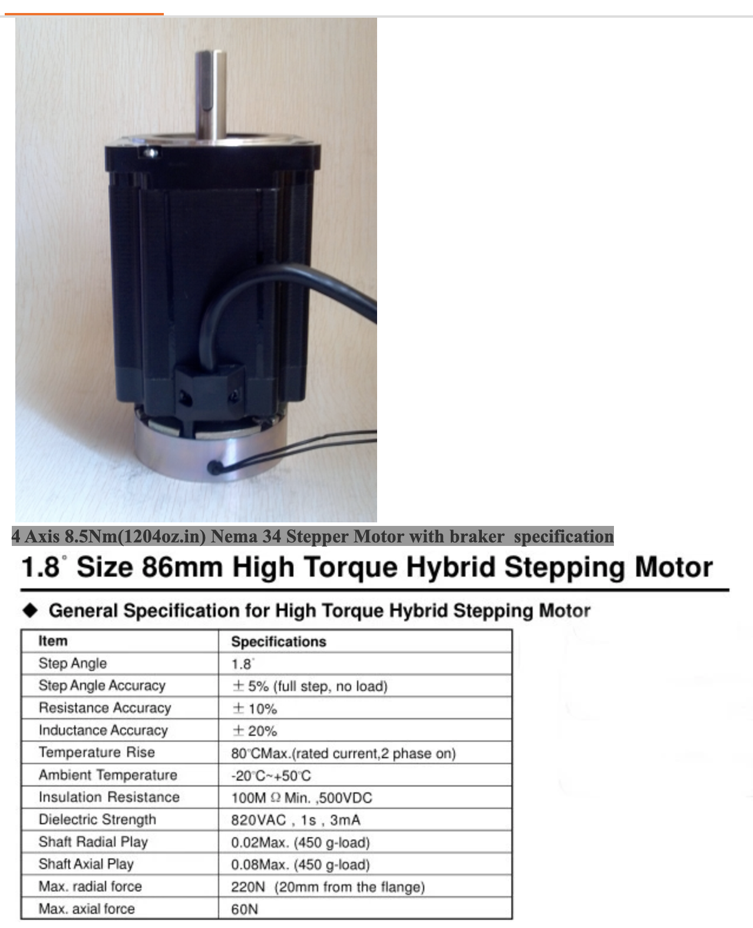
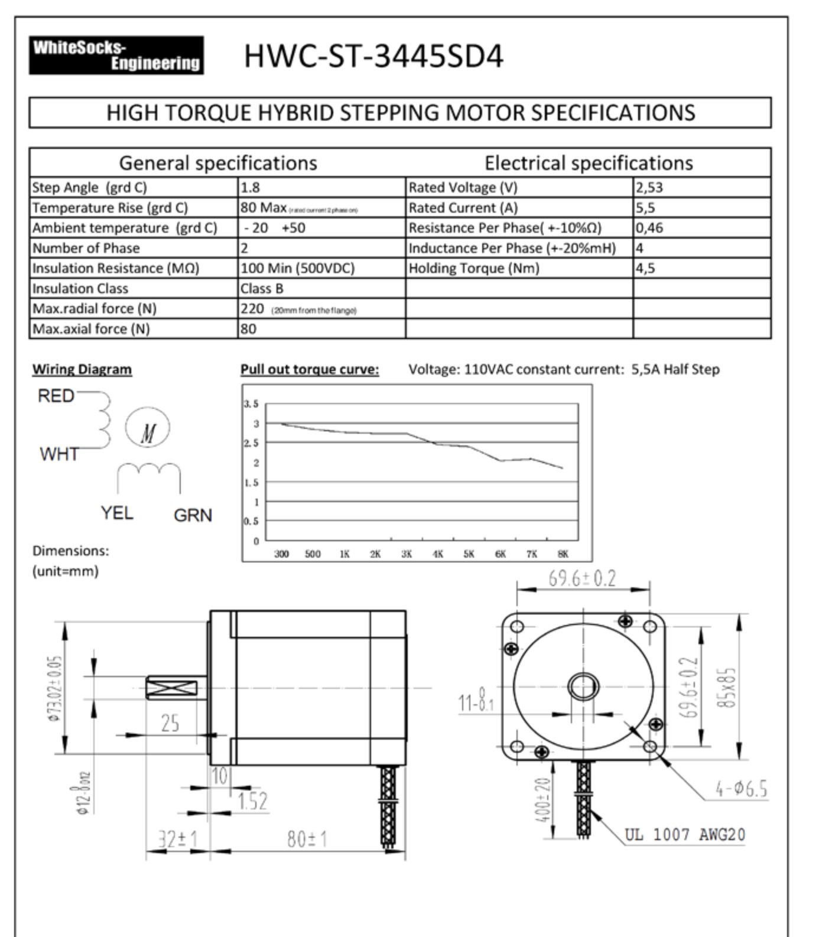

 | https://szbobet.en.alibaba.com/product/60516551996-803622807/BM_Brand_High_precision_4_Axis_8_5Nm_1204oz_in_Nema_34_Stepper_Motor_with_braker_Driver_Kit_For_CNC_Router.html

 | https://hardware-cnc.nl/en/shop/stappenmotoren/stepper-motor-34/stepper-motor-nema-34-4,5nm-detail

 | NEMA 23

 | https://cnc1.lv/en/stepper-motors/48-nema-23-stepper-motor-23hs9430-with-280-nm.html

Hex drive
 |  | Metal torque arm | plastic fingers
hex shaft diameter | hsd | 0.591 | 0.5905511811 | in
 |  | 15 | 15 | mm
Width of contact face | wcf | 0.75 | 3 | in
 |  | 19.05 | 76.2 | mm
torque to be transmitted | ttbt | 286 | 286 | lb-in
constant from the torque integral | Chexpres | 0.064
Number of hex faces assumed to transmit the torque | Nhftt | 3
contact pressure on hex faces | hcpf | 22,813 | 5,703 | psi
 |  | 157.35 | 39.34 | MPa

NOTE 1/2" hex yields plastic contact pressure of 8,649 psi which is ok for Nylon 6-6 30% glass filled but tie in with steel driver for security

SKF: https://www.skf.com/binary/tcm:12-69175/457649.pdf

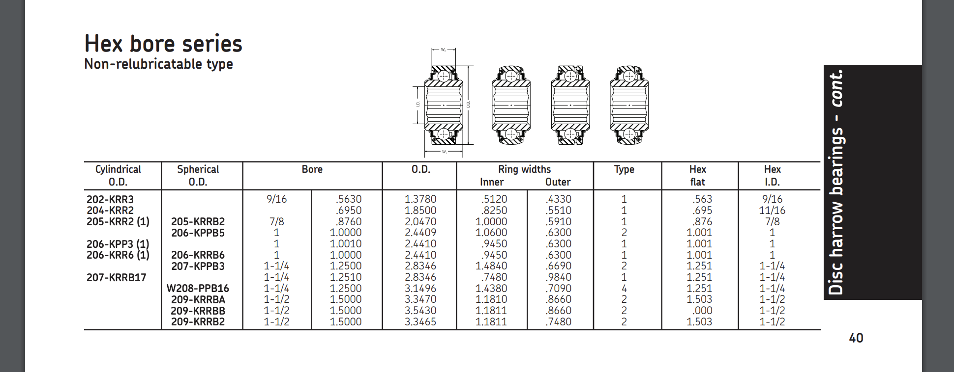

Timken: https://www.timken.com/wp-content/uploads/2018/04/Timken-Ball-Bearing-Catalog_10734.pdf

